Architecture Diagram
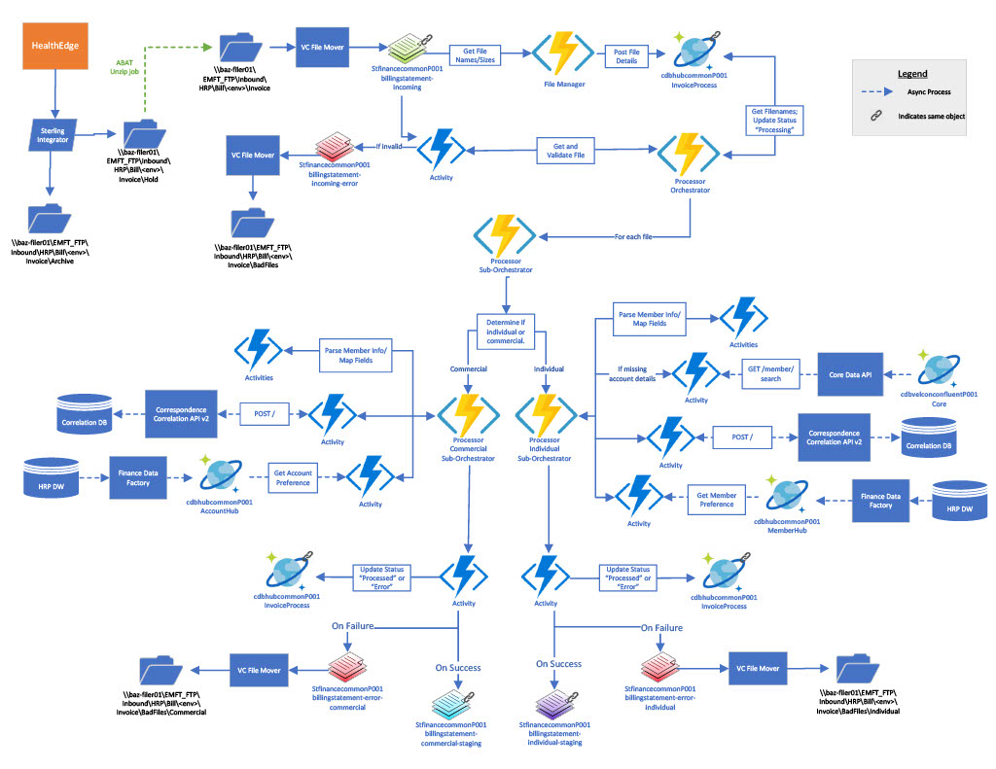
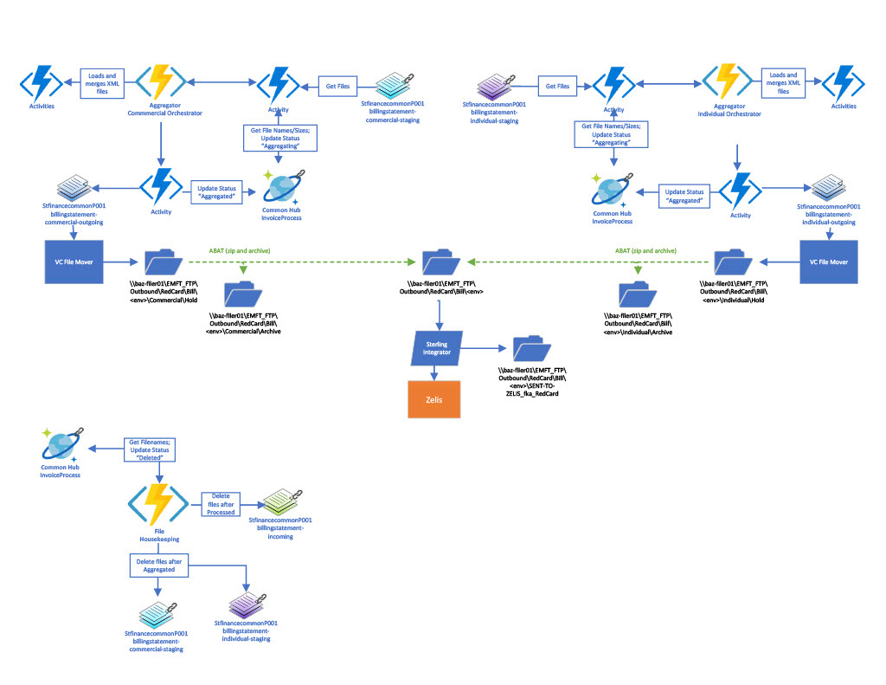
Architectural diagram must include hostnames (this should not contain business flows)

